Appendix B
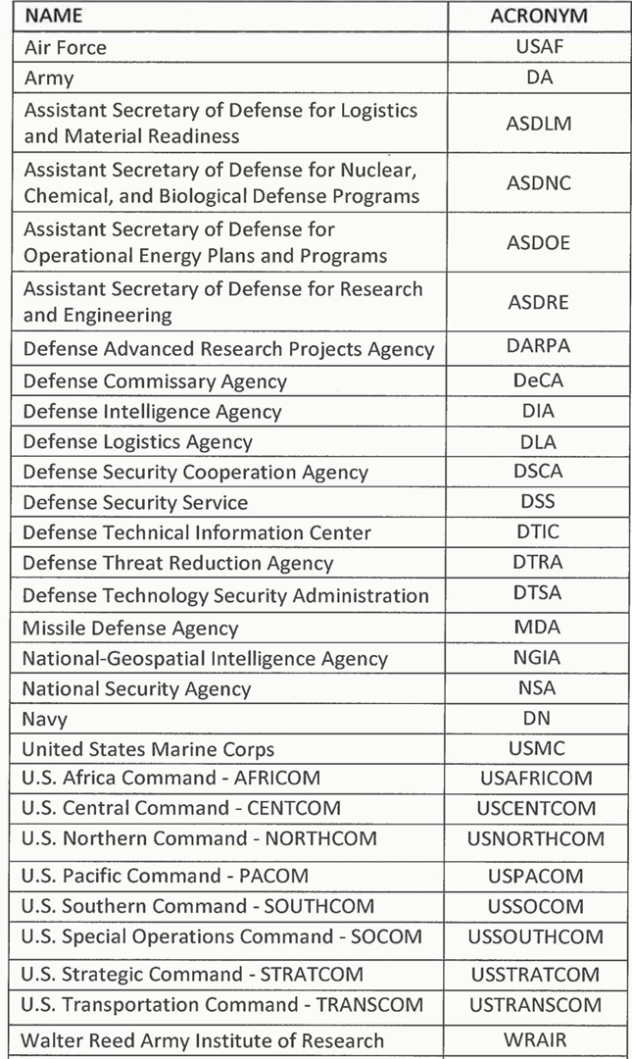
Appendix B:
List of Potentially Targeted DoD Organizations

Appendix C
